Sheet1
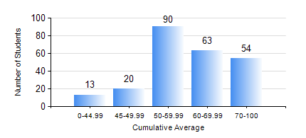
 |  |  | KWAME NKRUMAH UNIVERSITY OF SCIENCE AND TECHNOLOGY, KUMASI Department of Mechanical Engineering

 |  |  | BSC. MECHANICAL ENG.

 |  |  | COMPREHENSIVE RECORD OF EXAMINATION RESULTS

 |  |  | RESULTS OF YEAR 1 SECOND SEMESTER, 2024/2025 ACADEMIC YEAR

 | Sn | Course Code |  | Course Name | Credit Hours | Min. Mark | Max. Mark | Avg. Mark | Std. Dev. | No. Passed | No. Trailed | No. (Df) | No. (I) | No. (I*) | No. Tagged(I,I*,Df) | Total
 | 0. |  |  |  |  |  |  | 0 | 0 | 0 | 0 | 0 | 0 | 0 | 0 | 4
 | 1. | EE 152 |  | BASIC ELECTRONICS | 2 | 23 | 87 | 55 | 16.15 | 196 | 39 | 0 | 1 | 0 | 1 | 236
 | 2. | ENGL 158 |  | COMMUNICATION SKILLS II | 2 | 26 | 87 | 68 | 10 | 234 | 2 | 0 | 0 | 0 | 0 | 236
 | 3. | MATH 152 |  | CALCULUS WITH ANALYSIS | 4 | 40 | 90 | 62 | 13.36 | 236 | 0 | 0 | 0 | 0 | 0 | 236
 | 4. | ME 160 |  | ENGINEERING DRAWING | 3 | 17 | 86 | 55 | 12.25 | 225 | 11 | 0 | 0 | 0 | 0 | 236
 | 5. | ME 164 |  | ENGINEERING MECHANICS I:STATICS | 2 | 5 | 85 | 46 | 14.79 | 192 | 41 | 0 | 3 | 0 | 3 | 236
 | 6. | ME 168 |  | COMPUTER PROGRAMMING FOR ENGINEERS | 2 | 28 | 88 | 59 | 13.08 | 226 | 10 | 0 | 0 | 0 | 0 | 236
 | 7. | ME 174 |  | PRODUCT DESIGN AND MANUFACTURING | 2 | 34 | 84 | 67 | 8.34 | 234 | 1 | 0 | 1 | 0 | 1 | 236

